Sheet4
Row Labels | Count of Pizza Type
Domino's | 212
Little Caesars | 199
Marco’s Pizza | 3
Restaurant Names vs Pizza Types
Marco's Pizza | 192
Papa John's | 204
Pizza Hut | 194

Sheet5
Row Labels | Count of Order ID
Offline | 249
Online | 479

Orders vs Payment Category

Sheet8
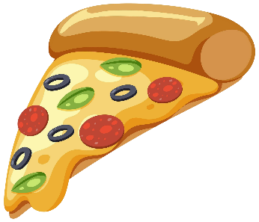
Pizza Sales Dashboard
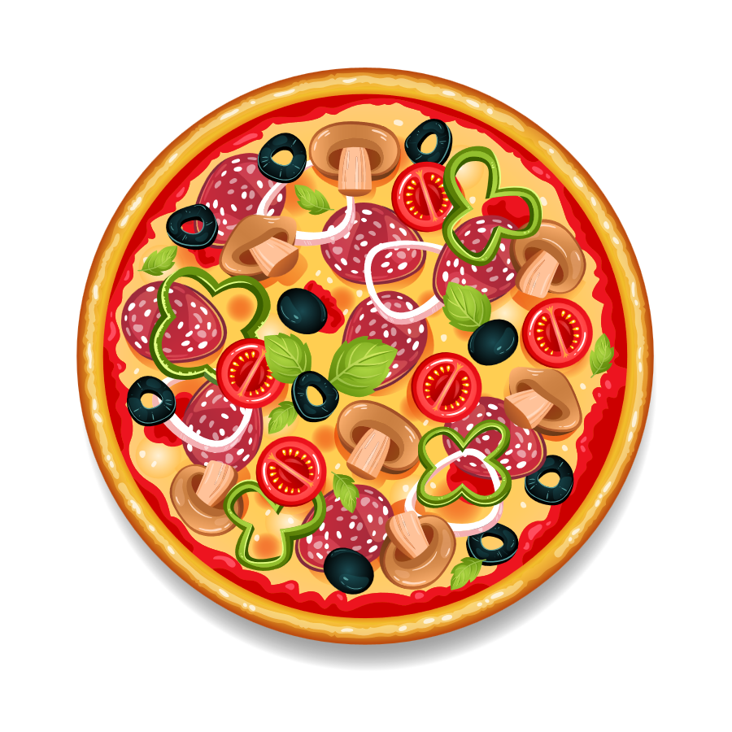

Location
Restaurant Names
Payment Method
Pizza Types

Albuquerque, NM
Domino's
Card
BBQ Chicken

Orders vs Res Name , Method
 | Count of Order ID | Count of Restaurant Name
Cash | 13 | 13
Domino's Cash | 15 | 15
UPI | 16 | 16
Wallet | 18 | 18
Orders vs Month , Size
 | Count of Order ID | Count of Pizza Size
January | 13 | 13
February | 13 | 13
March | 14 | 14
April | 13 | 13
May | 11 | 11
June | 14 | 14
July | 7 | 7
August | 15 | 15
September | 22 | 22
October | 10 | 10
November | 9 | 9
December | 11 | 11
Orders vs Payment Category
 | Total
Offline | 249
Online | 479

Restaurant Names vs Pizza Types
 | Total
Domino's | 212
Little Caesars | 199
Marco’s Pizza | 3
Marco's Pizza | 192
Papa John's | 204
Pizza Hut | 194
Orders vs Location
 | Total
Albuquerque, NM | 56
Austin, TX | 4
Boston, MA | 1
Chicago, IL | 2
Columbus, OH | 7
Dallas, TX | 1
Denver, CO | 12
Fort Wayne, IN | 1
Fresno, CA | 1
Glendale, AZ | 1
Indianapolis, IN | 2
Kansas City, MO | 1
Laredo, TX | 1
Lexington, KY | 1
Los Angeles, CA | 6
Louisville, KY | 1
Mesa, AZ | 1
Miami, FL | 18
Minneapolis, MN | 1
Nashville, TN | 1
New York, NY | 10
Orlando, FL | 1
Philadelphia, PA | 2
Phoenix, AZ | 1
Portland, OR | 2
Reno, NV | 1
Sacramento, CA | 1
San Francisco, CA | 4
San Jose, CA | 3
Seattle, WA | 6
Tampa, FL | 1
Washington, DC | 1
Res Name Vs Distance
 | Total
Domino's | 1169.3
Little Caesars | 1013.5
Marco’s Pizza | 10.4
Marco's Pizza | 948
Papa John's | 875.4
Pizza Hut | 948.8

Sheet6
Row Labels | Count of Order ID | Count of Pizza Size
January | 13 | 13
February | 13 | 13
March | 14 | 14
Orders vs Month , Size
April | 13 | 13
May | 11 | 11
June | 14 | 14
July | 7 | 7
August | 15 | 15
September | 22 | 22
October | 10 | 10
November | 9 | 9
December | 11 | 11

Sheet7
Row Labels | Count of Order ID | Count of Restaurant Name
Cash | 13 | 13
Domino's Cash | 15 | 15
UPI | 16 | 16
Orders vs Res Name , Method
Wallet | 18 | 18

Sheet9
Row Labels | Count of Order ID
Albuquerque, NM | 56
Austin, TX | 4
Boston, MA | 1
Chicago, IL | 2
Columbus, OH | 7
Dallas, TX | 1
Denver, CO | 12
Fort Wayne, IN | 1
Fresno, CA | 1
Glendale, AZ | 1
Indianapolis, IN | 2
Kansas City, MO | 1
Laredo, TX | 1
Lexington, KY | 1
Los Angeles, CA | 6
Louisville, KY | 1
Mesa, AZ | 1
Miami, FL | 18
Minneapolis, MN | 1
Nashville, TN | 1
New York, NY | 10
Orlando, FL | 1
Philadelphia, PA | 2
Phoenix, AZ | 1
Portland, OR | 2
Reno, NV | 1
Sacramento, CA | 1
San Francisco, CA | 4
San Jose, CA | 3
Seattle, WA | 6
Tampa, FL | 1
Washington, DC | 1

Orders vs Location

Sheet10
Row Labels | Count of Pizza Size
Domino's | 152

Pizza Size vs Res Name

Sheet18
 | Count of Restaurant Name
Large | 240
Medium | 429
Small | 132
XL | 203

Sheet19
Row Labels
Domino's
Large
Medium
Small
XL
Res Name VS Pizza Type
Little Caesars
Medium
Small
XL
Marco’s Pizza
Medium
Small
Marco's Pizza
Large
Medium
Small
Papa John's
Large
Medium
Small
XL
Pizza Hut
Large
Medium
Small
XL

Sheet21
Row Labels | Sum of Distance (km)
Domino's | 1169.3
Little Caesars | 1013.5
Marco’s Pizza | 10.4
Marco's Pizza | 948
Papa John's | 875.4
Res Name Vs Distance
Pizza Hut | 948.8

